Summary
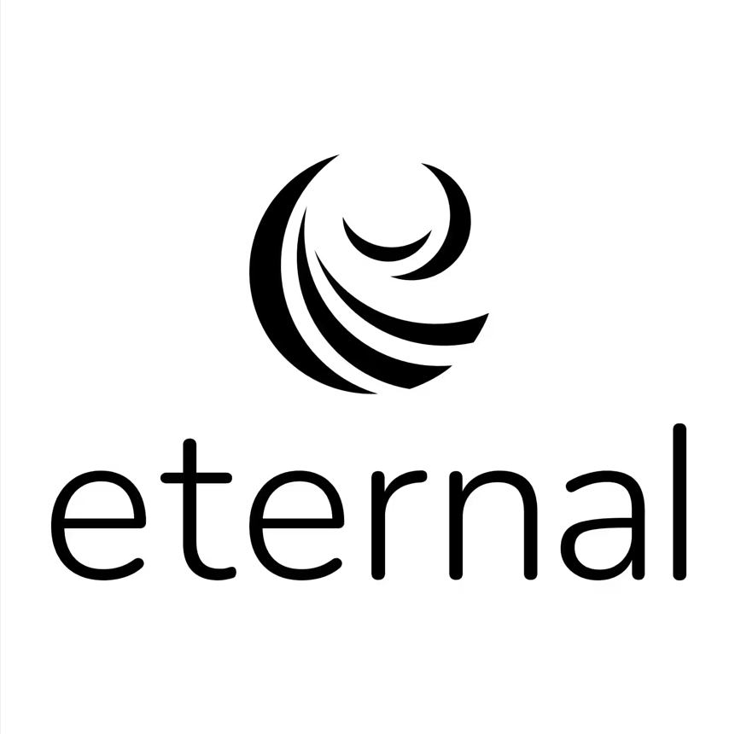
Report summary

Report period | #REF!
Res id | #REF!
MID | #REF!
Legal entity | #REF!
Res name | #REF!
Address | #REF!
PAN | #REF!
GSTIN | #REF!
TAN | #REF!
Pay-out cycle | #REF!
Zomato GSTIN - TCS | #REF!
Zomato GSTIN - Regular | #REF!
Total Orders (Delivered + Cancelled/ Rejected) | 0
Net Payout (Settled + Unsettled) | ₹0.00
Bank UTR | #REF!

Report - detailed breakdown
This report comprises the following detailed tabs regarding your pay-out:
Tab Name | Description
Payout Breakup | Breakup of your total earnings during this report period
Order Level | Detailed view of your order level earnings, deductions, pay-outs and UTRs for settled orders.
Addition/Deductions Details | Summarized view on : 1. Res id level additions like 194 H, etc 2. Res id level deductions like pay later, etc
Discounts Summary | View of the different discounts running on your restaurant during this report period
Glossary | Descriptions of the terms used in the Order Level tab

